Sheet1
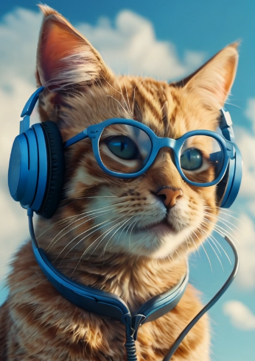

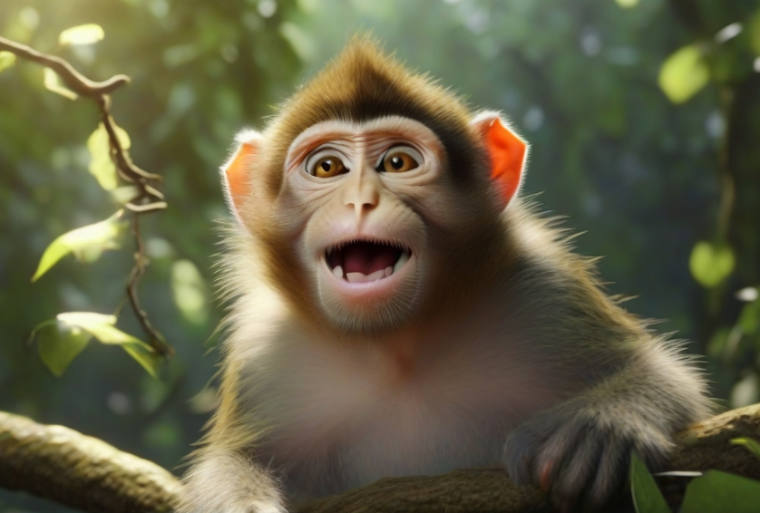
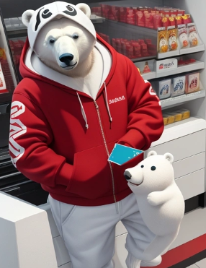
Studio Ghibli style a cozy indoor scene featuring a sleeping white cat curled up on a table beside window. there is a newspaper,some pens left irregular on the table too. In the background, there are bookshelves filled with books, and lush green plants are growing by the window, with warm sunlight streaming in.Soft string lights are visible above, enhancing the warm, peaceful vibe of the space. The warmness of sunset reflecting through the window, making it nostalgic vibe. Highly detailed room decoration,full HD,8K resolution anime style illustration. | 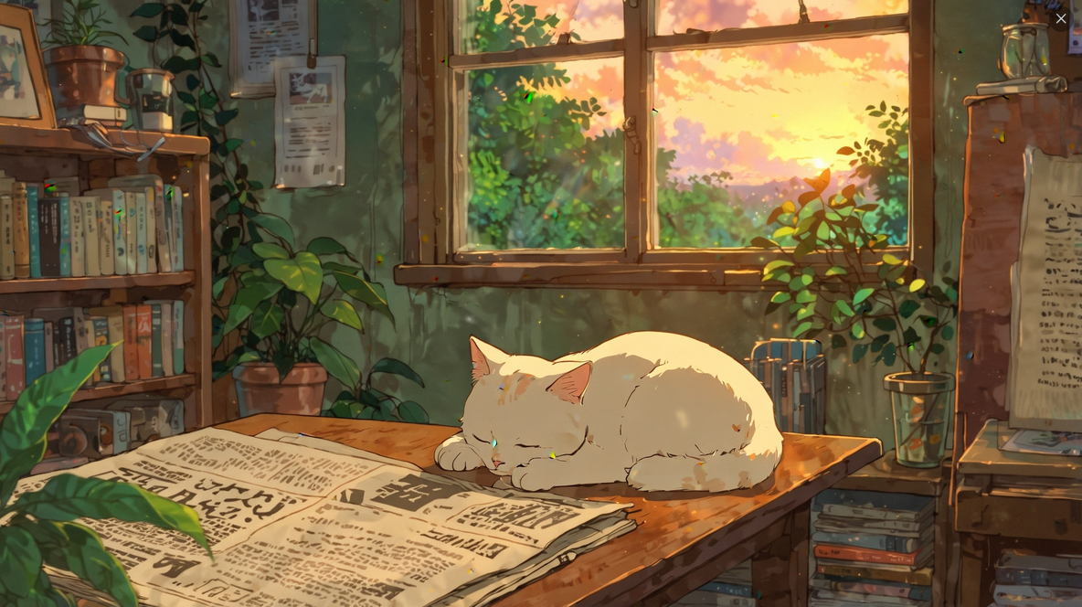 |  |  | I want to create a 3d mascot of a polar bear animal wearing a red hoodie and holding a credit card

A cute 3D cat wearing glasses and headphones is happily talking on a cell phone against a bright blue sky. |  | Super realistic gorilla gamer with gold dollar necklace, wearing glasses playing computer gamesin neon room | playful and happy monkey, in the jungle high tree, hyper-realistic, 8k, ultra hd, pixer style, Disney style, cinema 4d, —ar 3:2

